Key Practices
 |  | 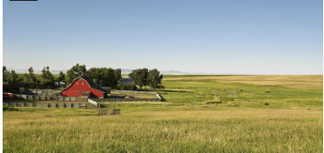 ALL FARMS

 |  | Goal | Helps Water Quality (OPTIONAL) | How (Ecosystem/Ecological Benefit) | Cost and Benefits | Considerations (OPTIONAL) | Practices
 | Vegetation | A1 - Increase vegetation in riparian areas along streams and in wetlands. Include trees and tall shrubs for shading perennial streams. (PICTURE) | Sediment, TSS, pollutants bound to sediment (e.g., mercury, phosphorus), nutrient uptake (nitrogen, phosphorus, etc.), bacteria, stream temperature, dissolved oxygen, algae growth (chlorophyll a) | Increase nutrient plant uptake, filter pollutants from runoff, reduce streambank erosion, prevent surface erosion, increase infiltration, reduce soil compaction, provide shade to reduce stream and riparian air temperature, increase cover and organic material for habitat, and sequester carbon to improve soil moisture holding capacity and reduce carbon gas emission. | Costs(potential): Increased time/cost to plant and maintain native, site capable vegetation and remove/prevent invasive vegetation. Increase in widlife conflicts. Decrease in farmable land. Benefits(potential): Retention of land along streams Increased wildlife and fish habitat Stream bank stabilization | Financial incentives available to install and maitain for 5-10 years, depending on program and amount of land dedicated to project. Financial incentives may limit ability to remove sediment with the exception of tile drain outlets. | ODA 6 Streamside Vegetation: Good for People, Plants and Animals: https://www.oregon.gov/oda/Documents/Publications/naturalresources/Streamsidevegetation.pdf ODA 5 - Affordable streamside improvements for landowners: https://www.oregon.gov/oda/Documents/Publications/NaturalResources/AffordableStreamsideImprovements.pdf OSUExt 3 - Streams and Riparian Areas: Clean Water, Diverse Habitat:https://extension.oregonstate.edu/catalog/pub/em-9244-streams-riparian-areas-clean-water-diverse-habitat OSUExt 11 - Winter farmscaping to enhance riparian vegetation along ponds and waterways: https://extension.oregonstate.edu/catalog/em-9705-winter-farmscaping-enhance-riparian-vegetation-along-ponds-waterways OSUExt 4 - Streamside gardening: your garden, our shared watershed: https://extension.oregonstate.edu/gardening/techniques/streamside-gardening-your-garden-our-shared-watershed OSU Ext 8 - WestSide - Establishing and Maintaining streamside tree buffers on Western Oregon farmland: https://extension.oregonstate.edu/catalog/em-8895-establishing-maintaining-streamside-tree-buffers-western-oregon-farmland Clackamas SWCD 1 - Westside - Wet Season Erosion and Sediment Control Practices for Growers: https://vimeo.com/showcase/8457975 USDA SARE 1 - Eastside - Rangeland Management Strategies: https://www.sare.org/wp-content/uploads/Rangeland-Management-Strategies.pdf ODA 1 - EastSide - Living on the Land: Got a stream? Grow plants!https://extension.oregonstate.edu/catalog/ec-1645-living-land-got-stream-grow-plants NRCS 390 Riparian Herbaceous Cover: https://www.nrcs.usda.gov/sites/default/files/2022-11/390-NHCP-CPS-Riparian-Herbaceous-Cover-2022.pdf NRCS 391 Riparian Forest Buffer:https://www.nrcs.usda.gov/sites/default/files/2022-09/Riparian_Forest_Buffer_391_CPS_10_2020.pdf NRCS 315 Herbaceous weed treatment: https://www.nrcs.usda.gov/sites/default/files/2022-09/Herbaceous_Weed_Treatment_315_CPS_10_2020.pdf NRCS 395 Stream habitat improvement and Management:https:https://
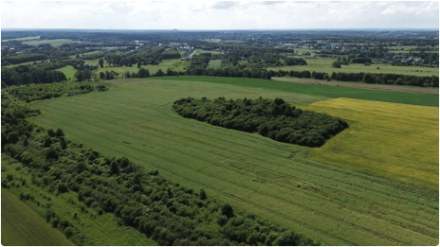 |  | A2 - Stream corridor, water conveyance, channel bank stability improvement. (PICTURE) | Sediment, TSS, pollutants bound to sediment (e.g., mercury, phosphorus), nutrient uptake (nitrogen, phosphorus, etc.), bacteria, stream temperature, dissolved oxygen, algae growth (chlorophyll a) | Increase nutrient plant uptake, filter pollutants from runoff, reduce streambank erosion, prevent surface erosion, increase infiltration, reduce soil compaction, provide shade to reduce stream and riparian air temperature, increase cover and organic material for habitat, and sequester carbon to improve soil moisture holding capacity and reduce carbon gas emission. | Costs(potential): Costs for permitting, installation and maintenance; Increased time/cost to plant and maintain native, site capable vegetation and remove/prevent invasive vegetation. Increase in widlife conflicts. Decrease in farmable land. Benefits(potential): Retention of land along streams Increased wildlife and fish habitat Stream bank stabilization | Financial incentives and grant programs focus on fish and wildlife habitat and water quaiity benefits. Financial incentives available to install and maitain for 5-10 years, depending on program and amount of land dedicated to project. | OSU Ext 11 Walking the Streambank: Living on the Land Podcast: https://extension.oregonstate.edu/podcast/living-land/walking-stream-bank NRCS 395 Stream habitat improvement and Management:https:https://www.nrcs.usda.gov/sites/default/files/2022-10/Stream_Habitat_Improvement_And_Management_395_PO.pdf NRCS 580 Streambank and Shoreline Protection: https://www.nrcs.usda.gov/sites/default/files/2022-10/Streambank_Shoreline_Protection_580_CPS_10_2020.pdf NRCS 612 Tree-Shrub Establishment: https://www.nrcs.usda.gov/sites/default/files/2022-12/612-NHCP-CPS-Tree-Shrub-Establishment-2022.pdf
 |  | A3 - Establish/Expand vegetated filter strip. Enhance vegetated field borders to reduce soil erosion. (PICTURE) | Sediment, TSS, pollutants bound to sediment (e.g., mercury, phosphorus), nutrient uptake (nitrogen, phosphorus, etc.), bacteria, algae growth (chlorophyll a) | Promote vegetation between field activity and streams, ponds, springs, and wetlands. Vegetation to include mowable grasses, sedges, rushes, depending on design and site characteristics. Strip contoured for sheet flow (not concentrated flow) to filter sediment. | Costs: (potential) Increases time/cost for maintaining vegetation (grass) and slope of filter strip (e.g., mow/maintain grasses to compete with weeds). Decreases farmable land if not currently used along streams. Benefits:(potential) Decreases costs of maintaining drainage ditches and infrastructure (e.g., culverts, drain pipes, ponds) due to reduced sediment delivery. | Financial incentives typically available for establishment or expansion (not regular maintenance). | ODA 6 Field Borders: https://www.oregon.gov/oda/Documents/Publications/naturalresources/FieldBordersAgWaterQuality.pdf NRCS 393 Vegetated filter strip: https://www.nrcs.usda.gov/sites/default/files/2022-09/Filter_Strip_393_CPS.pdf NRCS 386 Field borders: https://www.nrcs.usda.gov/sites/default/files/2022-09/Filter_Strip_393_CPS.pdf
 | Waterway | A4 - Create two-stage drainage ditch/stream channel. (PICTURE) | Sediment, TSS, pollutants bound to sediment (e.g., mercury, phosphorus), nutrient uptake (nitrogen, phosphorus, etc.), bacteria, algae growth (chlorophyll a) | Increase nutrient plant uptake, filter pollutants from runoff, reduce streambank erosion, prevent surface erosion, increase infiltration, reduce soil compaction, provide shade to reduce stream and riparian air temperature, increase cover and organic material for habitat, and sequester carbon to improve soil moisture holding capacity and reduce carbon gas emission. | Costs(potential): Increased time/cost to establish (could be integrated with ditch cleaning). May increase time/cost to maintain vegetation (grass) in waterway depending on management goals (e.g., mow and maintain grasses to compete with reed canary grass and other weeds). May decrease farmable land if additional width is needed for side-slopes. Benefits(potential): Decrease time/cost maintaining ditches depending on current practices. | Financial incentives typically available for establishment (not regular maintenance). Allows for maintaining tile drain outlets. Decreases cost of ditch cleaning/maintenance due to efficient drainage design. | Part 654 National Engineering Handbook. Chapter 10. Two-Stage Channel Design LINK
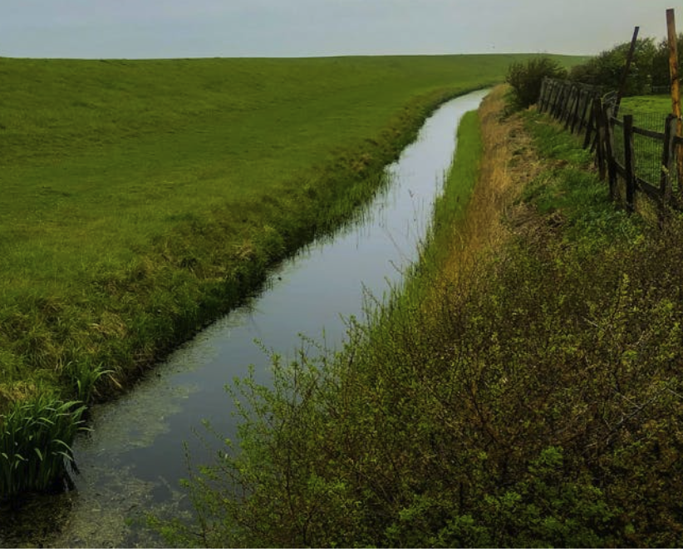 |  | A5 - Stream and Ditch Maintenance | Sediment, TSS, pollutants bound to sediment (e.g., mercury, phosphorus), nutrient uptake (nitrogen, phosphorus, etc.), bacteria, algae growth (chlorophyll a) | Increase nutrient plant uptake, filter pollutants from runoff, reduce streambank erosion, prevent surface erosion, increase infiltration, reduce soil compaction, | Costs(potential): May increase time/cost to maintain vegetation (grass) in waterway depending on management goals (e.g., mow and maintain grasses to compete with reed canary grass and other weeds). Benefits(potential): Decrease time/cost maintaining ditches depending on current practices. |  | ODA 7 Guidance for Stream and Ditch Maintenance: https://www.oregon.gov/oda/Documents/Publications/naturalresources/StreamsideAreas.pdf NRCS 607 Surface Drain, Field Ditch: https://www.nrcs.usda.gov/sites/default/files/2022-10/Surface_Drain_Field_Ditch_607_CPS_9_2020.pdf NRCS 423 Hillside Ditch: https://www.nrcs.usda.gov/sites/default/files/2022-09/423_NHCP_CPS_Hillside_Ditch_2021_0.pdf NRCS 388 Field Ditch: https://www.nrcs.usda.gov/sites/default/files/2022-09/Irrigation_Field_Ditch_388_CPS_10_2020.pdf NRCS 428 Irrigation Ditch Lining: https://www.nrcs.usda.gov/sites/default/files/2022-09/Irrigation_Ditch_Lining_428_Overview_10_2020.pdf
 | Water Flow & Storage | A6 -Establish/Expand a grassed waterway (PICTURE) | Sediment, TSS, pollutants bound to sediment (e.g., mercury, phosphorus), nutrient uptake (nitrogen, phosphorus, etc.), bacteria, algae growth (chlorophyll a) | Increase nutrient plant uptake, filter pollutants from runoff, reduce field & streambank erosion, prevent surface erosion, increase infiltration, reduce soil compaction, provide shade to reduce stream and riparian air temperature, increase cover and organic material for habitat, and sequester carbon to improve soil moisture holding capacity and reduce carbon gas emission. | Costs:(potential) May increase time/cost to maintain vegetation (grass) in waterway depending on management goals (e.g., mow and maintain grasses to compete with reed canary grass and other weeds). May decrease farmable land if additional width is needed for side-slopes. Benefits: (potential) Decrease time/cost maintaining ditches depending on current practices. Decrease coss of weed control Decrease cost of erosion control | Financial incentives typically available for establishment or expansion (not regular maintenance). Keeps ability to maintain tile drain outlets. | 412 Grassed Waterway LINK
 |  | A7 - Water Retention Systems - Retention pond, sediment basins, catch basins, sediment traps, and berms, dikes, and levees.(PICTURE) | Sediment, TSS, pollutants bound to sediment (e.g., mercury, phosphorus), nutrient uptake (nitrogen, phosphorus, etc.), bacteria, stream temperature, dissolved oxygen, algae growth (chlorophyll a) | Increase nutrient plant uptake, and filter pollutants from runoff. If reducing storm flows, may reduce streambank erosion, prevent surface erosion, and increase infiltration. | Costs: (potential) Increase cost to establish and maintain - to include removing and spreading or hauling off sediment. May not decrease farmable land. Benefits:(potential) Decreased costs of maintaining drainage diteches and infrastructure becasue it concenttrates sediment delivery into one or fewer places. | Financial incenives typically available for establishment (not regular maintenance). | 554 Drainage water mgt, LINK 587 Structure for water control, 350 Sediment basin, 638 Water and sediment control basin, 436 Irrigation reservoir, AH-590 Pond handbook, 378 Pond standards, 570 Stormwater runoff control, 356 berms, dikes and levees, 402 dams.
 |  | A8 - Siphon or other cold water overflow for reservoirs. Aerators (e.g., bubblers, fountains) to add oxygen to reservoirs. (PICTURE) | Pollutants bound to sediment (e.g., mercury, phosphorus), nutrient uptake (nitrogen, phosphorus, etc.), stream temperature, dissolved oxygen, algae growth (chlorophyll a) | Decrease stream temperatures. Maintains aerobic conditions - binding phosphorus/mercury on sediment, increase dissolved oxygen, decrease algae production. | Costs: (potential) Increase cost to establish and maintain Benefits:(potential) Decreased costs of managing/recucing algal blooms that impact water uses | Financial incentives may be available. Grant funding may be available for siphon if decreases downstream temperatures. | 590 Pond handbook, LINK 378 Pond standards, LINK Additional designs from NRCS engineers. LINK
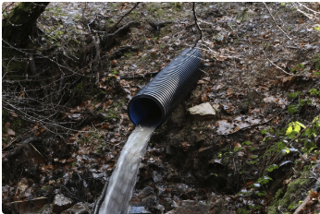 |  | A9 - Collect or direct water for storage, water spreading, water-harvesting systems, or treatment. (PICTURE) | Sediment, TSS, pollutants bound to sediment (e.g., mercury, phosphorus), nutrient uptake (nitrogen, phosphorus, etc.) | Design dependent - Increase nutrient plant uptake, prevent surface erosion, increase infiltration. | Costs: (potential) Increase cost to establish and maintain Possible permit costs Benefits:(potential) Decreased costs of maintenance due to decreased erosion and sediment delivery | Typically not funded with incentive and grant programs. May not be permitted due to topography, wetlands, soils, etc. | 362 Diversion LINK
 | Fields | A10 - Subsurface tile drains and irrigation tailwater return systems (PICTURE) | Sediment, TSS, pollutants bound to sediment (e.g., mercury, phosphorus), nutrient uptake (nitrogen, phosphorus, etc.), bacteria | Design dependent - Increase nutrient plant uptake, filter pollutants from runoff, prevent surface erosion, increase infiltration, reduce soil compaction. | Costs: (potential) Increase cost to establish and maintain Benefits:(potential) Increased farmable land May provide water source longer into growing season increase water quality treatment | Incentives may be available, especially if conserves/reuses water. Application requires specific topographic conditions and infrastructure. | 606 and 608 Subsurface drain, main or lateral, LINK 447 Irrigation tailwater return LINK
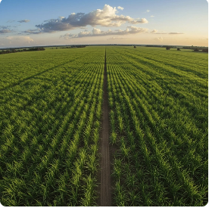 |  | A11 - Land Leveling for irrigation, water, crop/pasture management (PICTURE) | Sediment, TSS, pollutants bound to sediment (e.g., mercury, phosphorus), nutrient uptake (nitrogen, phosphorus, etc.), bacteria | Design dependent - Increase nutrient plant uptake, filter pollutants from runoff, prevent surface erosion, increase infiltration, reduce soil compaction. | Costs: (potential) Increase cost to establish Benefits:(potential) Increased farm and water efficiencies Allows enhanced water quality benefits for other conservation practices | Incentives may be available if part of other practices mentioned above. | 464 Irrigation land leveling; LINK 462 Precision land forming and smoothing LINK
 | Road & Ditch | A12 - Site-Specific Erosion Prevention and Control | Sediment, TSS, pollutants bound to sediment, nutrients, bacteria. | Design and site-specific - filter pollutants from runoff, reduce streambank erosion, prevent surface erosion, increase infiltration, reduce soil compaction. | Costs: (Potential) Increased time/costs to install when and where they are needed. Benefits: (Potential) Decreased soil loss through erosion. Decrease cost to maintain drainage infrastructure due to decreased sediment load. | Incentives typically available to purchase equipment and supplies. Grant funds may be available due to increased focus on preventing erosion from all land uses. May need to hire or train workforce for efficient and knowledgeable installation. | USDA Agronomy Technical Note 4 and 8 - Compost filter socks and blankets for erosion control LINK Certified Erosion and Sediment Control Lead (CESCL) training and handbook LINK
 |  | A13 - Vegetate drainage ditches, install filter strips and drain to field, modify back slope allowing vegetation. | Sediment, TSS, pollutants bound to sediment, nutrients, bacteria, dissolved pollutants. | Promote mowable vegetation in road drainage ditches, moderate back-slopes to grow vegetation, and install vegetated filter strips between road drainage and streams. Promote invasive weed control. | Costs: (Potential) Increased time/costs to install (back slope modification, seeding, establishment) Increased cost to maintain (mow,spray) vegetation. May lose part of setback on slope changes Benefits: (Potential) Decrease road grading and drainage maintenance Decrease cost to maintain drainage infrastructure due to decreased sediment load. | County road department expense. Grants may be available to implement a new road management and monitoring program. Helps meet new DEQ mercury/sediment TMDL regulations. | See Yamhill Co Road Dept and SWCD for example. LINK
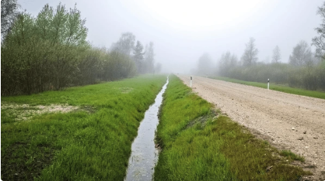 |  | A14 - Farm road improvement: culverts, water bars, cross drains, surfacing, vegetating, filter drainage | Sediment, TSS, pollutants bound to sediment, nutrients, bacteria, dissolved pollutants. | Manage road infrastructure to minimize surface runoff erosion of road grade and drainage ditch, size culverts and bridges to pass 100-200-yr events, and intercept direct connection between drainage ditch and creeks with filter strips and bioswales. Design culverts for fish passage. | Costs: (Potential) Increased cost to install Benefits: (Potential) Decreased overall maintenance costs Preventing sediment and nutrient runoff | Incentives typically available for installation and/or upgrades. Grant funds may be available if preventing water quality problems or improving fish passage. | USDA FS 1 Environmentally Sensitive Road Maintenance Practices for Dirt and Gravel Roads: https://dirtandgravel.psu.edu/wp-content/uploads/ESM_Field_Guide.pdf NRCS 560 Access Road: https://www.nrcs.usda.gov/sites/default/files/2022-08/Access_Road_560_CPS_9_2020.pdf
 |  | A15 - Heavy use area protection to stabilize ground surface that is frequently used by people, animals, or vehicles | Sediment, TSS, pollutants bound to sediment, nutrients, bacteria, dissolved pollutants. | Harden and use drainage infrastructure (e.g., gravel, drain pipes, french drains, fabric) to stabilize high-traffic areas during wet season. | Costs: (Potential) Increased cost to install Benefits: (Potential) Decreased overall maintenance costs Preventing sediment and nutrient runoff | Incentives may be available but may need to be part of additional practices. | NRCS 561 Heavy use area protection: https://www.nrcs.usda.gov/sites/default/files/2022-09/Heavy_Use_Area_Protection_561_CPS_9_2020.pdf

 |  |  |  | 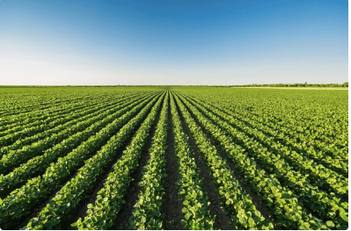
 |  | CROP MANAGEMENT

 | Plans | Key Practices | Helps Water Quality (optional) | How (Ecosystem/Ecological Benefit) | Cost and Benefits | Considerations (Optional) | Practices
 |  | C1 - Nutrient and Pest Management (PICTURE) | Nutrients, pesticides, pH | Maximizes nutrient uptake efficiency, water infiltration, soil-water holding capacity and carbon sequestration, while minimizing soil compaction, nutrient and pollutant losses (leaching, volatilization). | Costs: (Potential) Increased time/costs for taking samples and analysis. Benefits: (Potential) Improved yield and crop health, Decrease costs of nutrients, lime, etc. | Funding assistance for overall farm plan and implementation may be available. | OSU Ext 12 Fertilizing with Manure and Other Organic Amendments: https://extension.oregonstate.edu/catalog/pub/pnw-533-fertilizing-manure-other-organic-amendments OSU Ext 8 - Westside - Nutrient Management for Pastures: Western Oregon and Western Washington: https://extension.oregonstate.edu/catalog/pub/em-9224-nutrient-management-pastures-western-oregon-western-washington OSUExt 4 - Pastures: Stewarding a working landscape: https://extension.oregonstate.edu/catalog/em-9303-pastures-stewarding-working-landscape NRCS 590 Nutrient management: https://www.nrcs.usda.gov/resources/guides-and-instructions/nutrient-management-ac-590-conservation-practice-standard NRCS 595 Integrated Pest Management: https://www.nrcs.usda.gov/sites/default/files/2022-09/Pest_Management_Conservation_System_595_CPS_10_2019.pdf
 | Vegetation | C2 - Irrigation Water Management (PICTURE) | Sediment, TSS, polluntants bound to sediment, nitrate-nitrogen, bacteria. | Reduced irrigation may increase water supply that aids in temperature control, increases nutrient plant uptake, prevents surface erosion, and increases infiltration | Costs: (Potential) May increase irrigation costs (including energy costs) to install and time/costs to maintain depending on current infrastructure. Benefits: (Potential) Increased crop production quantity and quality. Increased crop options. | Funding assistance for overall farm plan and implementation may be available. | USDA SARE 3 Smart Water Use on Your Farm or Ranch: https://www.sare.org/wp-content/uploads/Smart-Water-Use-on-Your-Farm-or-Ranch.pdf NRCS 449 Irrigation Water Management: https://www.nrcs.usda.gov/resources/guides-and-instructions/irrigation-water-management-ac-449-conservation-practice-standard NRCS 441 Microirrigation: https://www.nrcs.usda.gov/sites/default/files/2022-11/IRRIGATION.pdf NRCS 442 Sprinkler System: https://www.nrcs.usda.gov/sites/default/files/2022-10/Sprinkler_System_442_NHCP_CPS_2021.pdf NRCS 443 Irrigation System, Surface and Subsurface: https://www.nrcs.usda.gov/sites/default/files/2022-09/Irrigation_System_Surface_And_Subsurface_443_Overview.pdf LINK
 |  | C3 - Cover and Conservation Crops (PICTURE) | Sediment, TSS, nutrients, pollutants bound to sediment, bacteria. Reduce dissolved nutrients and pollutants (e.g., nitrates). | Minimize surface erosion and soil compaction, increases soil organic matter (carbon sequestration), soil water retention and infiltration, and nutrient uptake, and binds pollutants. | Costs: (Potential) Increased time/costs for planting and maintenance. Benefits: (Potential) Reduce weed pressure, Reduce crop resistance to pesticies. |  | USDA SARE 2 Cover Crop Economics: https://www.sare.org/resources/cover-crop-economics/ NRCS 328 Conservation crop rotation:https://www.nrcs.usda.gov/resources/guides-and-instructions/conservation-crop-rotation-ac-328-conservation-practice-standard NRCS 340 Cover crop: https://www.nrcs.usda.gov/resources/guides-and-instructions/cover-crop-ac-340-conservation-practice-standard NRCS 484 Mulching: https://www.nrcs.usda.gov/sites/default/files/2022-09/Mulching_CPS_484_Oct_2017.pdf
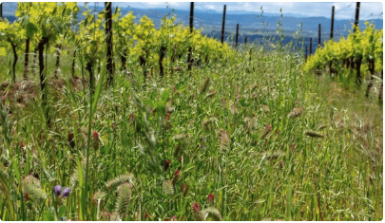 |  | C4 - In-field Vegetative Strips (PICTURE) | Sediment, TSS, pollutants bound to sediment (e.g., mercury, phosphorus), nutrient uptake (nitrogen, phosphorus, etc.), bacteria, algae growth (chlorophyll a) downstream from nutrients | Increase nutrient plant uptake, filter pollutants from runoff, prevent surface erosion, increase infiltration, reduce soil compaction, and sequester carbon to improve soil moisture holding capacity and reduce carbon gas emission. | Costs: (Potential) Increased time/costs for seeding and maintenance. Benefits: (Potential) Improved crop health, may increase/decrease costs of nutrients, lime, etc. |  | 393 Filter strip, LINK 585 Strip cropping, LINK 311 Alley cropping, LINK 332 Contour buffer strips, LINK 422 Hedge Row Planting LINK
 | Tillage | C5 - Conversion of Cropland to Perennial Grass-based agriculture (PICTURE) | Sediment, TSS, pollutants bound to sediment (e.g., mercury, phosphorus), nutrient uptake (nitrogen, phosphorus, etc.), bacteria, algae growth (chlorophyll a) downstream from nutrients | Increase nutrient plant uptake, filter pollutants from runoff, prevent surface erosion, increase infiltration, reduce soil compaction, and sequester carbon to improve soil moisture holding capacity and reduce carbon gas emission. |  |  | OSU Ext 17 Hay Production Resources for small farms: https://extension.oregonstate.edu/collection/hay-production-resources-small-farms OSU Ext 16 Hay Production: https://smallfarms.oregonstate.edu/smallfarms/hay-production NRCS 512 Pasture and hay planting: https://www.nrcs.usda.gov/sites/default/files/2022-09/Pasture_and_Hay_Planting_512_NHCP_CPS_2020.pdf
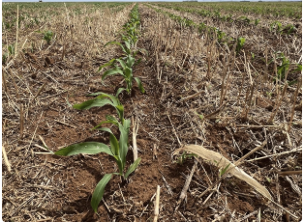 |  | C6 - Residue and Tillage Management (PICTURE) | Sediment, TSS, nutrients, pollutants bound to sediment, bacteria. | Reduces soil erosion and soil compaction, increases soil water infiltration and holding capacity. Binds pollutants. May reduce weed pressure. | Costs: (Potential) May require specialized equipment Benefits: (Potential) Reduces soil erosion and compaction, increases soil water infiltration and holding capacity. Binds pollutants. Reduced weed pressure. |  | USDA 5 Northwest No-Till Farming for Climate Resilience: https://www.climatehubs.usda.gov/hubs/northwest/topic/northwest-no-till-farming-climate-resilience OSU Ext 15 Tillage and Cultivation: https://agsci.oregonstate.edu/mes/sustainable-onion-production/tillage-and-cultivation OSU Ext 14 - Western - Using strip tillage in vegetable production systems in Western Oregon NRCS 345 Residue and Tillage Management, Reduced Till: https://www.nrcs.usda.gov/sites/default/files/2022-09/Residue_And_Tillage_Management_Reduced_Till_345_PS_Sept_2016.pdf NRCS 329 No Till: https://www.nrcs.usda.gov/sites/default/files/2022-09/Residue_And_Tillage_Management_No_Till_329_CPS_0.pdf
 |  | C7 - Contour farming and tillage (PICTURE) | Sediment, TSS, pollutants bound to sediment (e.g., mercury, phosphorus), nutrient uptake (nitrogen, phosphorus, etc.), bacteria, algae growth (chlorophyll a) downstream from nutrients | Reduces soil erosion and soil compaction, increases soil water infiltration. May increase nutrient uptake, filter pollutants and bacteria. |  |  | Western SARE 4 Contour Farming: https://western.sare.org/sare-category/crop-production/conservation-tillage/contour-farming/ NRCS 330 Contour farming: https://www.nrcs.usda.gov/sites/default/files/2022-09/Contour_Farming_330_CPS_Oct_2017.pdf NRCS 331 Contour orchard and other perennial crops: https://www.nrcs.usda.gov/sites/default/files/2022-09/Contour_Orchard_and_Other_Perennial_Crops_331_CPS.pdf NRCS 600 Terrace farming: https://www.nrcs.usda.gov/sites/default/files/2022-09/Contour_Orchard_and_Other_Perennial_Crops_331_CPS.pdf

 |  |  |  | 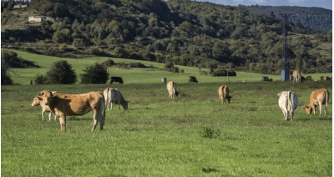
 |  | LIVESTOCK/EQUINE MANAGEMENT

 | Grazing | Key Practices | Helps Water Quality (optional) | How (Ecosystem/Ecological Benefit) | Cost and Benefits | Considerations (Optional) | Practices
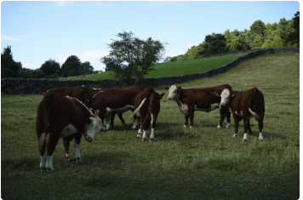 |  | L1 - Livestock exclusion of riparian/wetland vegetated areas, establish off-stream watering facilities (PICTURE) | Sediment, TSS, pollutants bound to sediment (e.g., mercury, phosphorus), nutrient uptake (nitrogen, phosphorus, etc.), bacteria, stream temperature, dissolved oxygen, algae growth (chlorophyll a) | Increase nutrient plant uptake, filter pollutants from runoff, reduce streambank erosion, prevent surface erosion, increase infiltration, reduce soil compaction, provide shade to reduce stream and riparian air temperature, increase cover and organic material for habitat, and sequester carbon to improve soil moisture holding capacity and reduce carbon gas emission. | Costs: (Potential) Increased fencing and watering costs. Increased invasive weeds if vegetation not maintained. Potential increased wildlife conflicts Benefits: (Potential) Clean livestock water. Improved livestock health. Less time/cost managing livestock in challenging conditions (soil (mud), water, slope, flooding);. | Funding assistance for installation and maintenance typically available. | 390-391 Riparian cover, buffer; LINK 395 Stream habitat improvement; LINK 580 Streambank protection; LINK 612 Tree-shrub; LINK 643-644 Restoration; LINK 657 Wetland Restoration; LINK 327 Conservation Cover; LINK 386 Field Borders; LINK 393 Filter Strips; LINK 314-315 Brush, Weed Mgt; LINK 512 Pasture and Hay Planting; LINK 528 Prescribed Grazing; LINK
 |  | L2 - Healthy Pastures, limit/rotational graze vegetated reparian/wetland areas when vegetation is palatable and not sensitive to browse, soils not saturated. (PICTURE) | Sediment, TSS, pollutants bound to sediment (e.g., mercury, phosphorus), nutrient uptake (nitrogen, phosphorus, etc.), bacteria, stream temperature, dissolved oxygen, algae growth (chlorophyll a) | Increase nutrient plant uptake, filter pollutants from runoff, reduce streambank erosion, prevent surface erosion, increase infiltration, reduce soil compaction, provide shade to reduce stream and riparian air temperature, increase cover and organic material for habitat, and sequester carbon to improve soil moisture holding capacity and reduce carbon gas emission. | Costs: (Potential) Increased land use and time for rotating livestock Increased fencing and watering costs. Increased invasive weeds if vegetation not maintained. Potential increased wildlife conflicts Benefits: (Potential) Improved production Clean livestock water. Improved livestock health. Less time/cost managing livestock in challenging conditions (soil (mud), water, slope, flooding);. Decreased weeds. | Decreased effectiveness depending on grazing timing/duration and remaining vegetation characteristics. Funding assistance may be available depending on vegetation protection and offsite watering. | OSU Ext 18 - westside - Introduction to pasture and grazing management in Western Oregon: https://extension.oregonstate.edu/catalog/em-9302-introduction-pasture-grazing-management-western-oregon OSU Ext 15 Estimating and measuring pasture productivity: https://extension.oregonstate.edu/catalog/em-9552-estimating-measuring-pasture-productivity OSU Ext 8 - Westside - Nutrient Management for Pastures: Western Oregon and Western Washington: https://extension.oregonstate.edu/catalog/pub/em-9224-nutrient-management-pastures-western-oregon-western-washington ODA 5 Horse Health and Water Quality: https://www.oregon.gov/oda/Documents/Publications/naturalresources/HorseHealthWaterQualitybrochure.pdf OSUExt 2 - Eastside - Living on the Land: Pasture and Livestock Essentials: https://extension.oregonstate.edu/catalog/pub/ec-1634-living-land-pasture-livestock-essentials OSUExt 5 - Westside - Managing small-acreage horse farms in Western Oregon: https://extension.oregonstate.edu/catalog/ec-1558-managing-small-acreage-horse-farms-western-oregon-western-washington OSUExt 4 - Pastures: Stewarding a working landscape: https://extension.oregonstate.edu/catalog/em-9303-pastures-stewarding-working-landscape NRCS 528 Grazing Management: https://www.nrcs.usda.gov/sites/default/files/2024-01/528_NHCP_CPS_Grazing_Management_2023_0.pdf NRCS 512 Pasture and Hay Planting: https://www.nrcs.usda.gov/sites/default/files/2022-09/Pasture_and_Hay_Planting_512_NHCP_CPS_2020.pdf NRCS 390 Riparian Herbaceous Cover: https://www.nrcs.usda.gov/sites/default/files/2022-11/390-NHCP-CPS-Riparian-Herbaceous-Cover-2022.pdf NRCS 391 Riparian Forest Buffer:https://www.nrcs.usda.gov/sites/default/files/2022-09/Riparian_Forest_Buffer_391_CPS_10_2020.pdf NRCS 315 Herbaceous weed treatment: https://www.nrcs.usda.gov/sites/default/files/2022-09/Herbaceous_Weed_Treatment_315_CPS_10_2020.pdf NRCS 395 Stream habitat improvement and Management:https:https://www.nrcs.usda.gov/sites/default/files/2022-10/Strea
 |  | L3 - Maintain livestock access to some streams and wet areas for watering. Harden access points to saturated areas. (PICTURE) | Sediment, TSS, pollutants bound to sediment (e.g., mercury, phosphorus), nutrient uptake (nitrogen, phosphorus, etc.), bacteria, stream temperature, dissolved oxygen, algae growth (chlorophyll a) | Increase nutrient plant uptake, filter pollutants from runoff, reduce streambank erosion, prevent surface erosion, increase infiltration, reduce soil compaction, provide shade to reduce stream and riparian air temperature, increase cover and organic material for habitat, and sequester carbon to improve soil moisture holding capacity and reduce carbon gas emission. | Costs: (Potential) Increased cost of preventing damage (fencing, hardening) to wet soils and some streams. Benefits: (Potential) Maintains most land for grazing. | Decreased effectiveness depending on grazing timing/duration and remaining vegetation characteristics. May require additional mitigations if water quality and vegetation conditions are not satisfactory. Funding assistance less likely. | 390-391 Riparian cover, buffer; LINK 395 Stream habitat improvement; LINK 580 Streambank protection; LINK 612 Tree-shrub; LINK 643-644 Restoration; LINK 657 Wetland Restoration; LINK 327 Conservation Cover; LINK 386 Field Borders; LINK 393 Filter Strips; LINK 314-315 Brush, Weed Mgt; LINK 512 Pasture and Hay Planting; LINK 528 Prescribed Grazing; LINK
 |  | L4 - Waste and nutrient management (PICTURE) | Bacteria, nutrients, dissolved oxygen, algae growth | Promotes balance of nutrients and crop needs/uptake. Prevents harmful bacteria and excess nutrients from entering water bodies. Limits algal growth. | Costs: (Potential) Increased/decreased costs of nutrient management. Benefits: (Potential) Improved vegetative growth/health. | Funding assistance for overall grazing plan and implementation may be available. | 590 Nutrient Management; Assessments for soil health improvements on pasture. LINK
 | Off-stream Watering | L5 - Establish sacrifice area for wet use to protect other wet ground. Collect livestock waste. Prevent runoff and leaching (PICTURE) | Bacteria, nutrients, dissolved oxygen, algae growth | Promotes balance of nutrients and crop needs/uptake. Prevents harmful bacteria and excess nutrients from entering water bodies. Limits algal growth. | Costs: (Potential) Increased costs for collecting/managing waste. Benefits: (Potential) Improved pasture condition. | Funding assistance for overall grazing plan and implementation may be available. | 512 Pasture and Hay Planting; LINK 528 Prescribed Grazing LINK
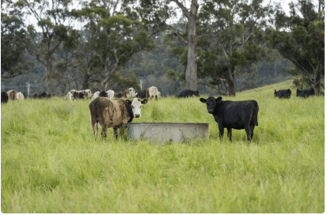 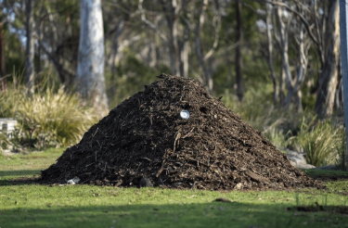 | Waste | L6 - Establish off-stream watering facilities to lure livestock from streams, springs and saturated areas (PICTURE) | Sediment, TSS, pollutants bound to sediment (e.g., mercury, phosphorus), nutrient uptake (nitrogen, phosphorus, etc.), bacteria, stream temperature, dissolved oxygen, algae growth (chlorophyll a) | Increase nutrient plant uptake, filter pollutants from runoff, reduce streambank erosion, prevent surface erosion, increase infiltration, reduce soil compaction, provide shade to reduce stream and riparian air temperature, increase cover and organic material for habitat, and sequester carbon to improve soil moisture holding capacity and reduce carbon gas emission. | Costs: (Potential) increaesed cost of maintaining watering facilities and preventing damage to wet soils, and partial decrease in time/costs managing livestock in streams. Benefits: (Potential) Maintains most land for grazing. Increased livestock water quality and maybe livestock health, | Decreased effectiveness depending on grazing timing/duration and remaining vegetation characteristics. May require additional mitigations if water quality and vegetation conditions are not satisfactory. Funding assistance less likely. | OSUExt 3 - Streams and Riparian Areas: Clean Water, Diverse Habitat:https://extension.oregonstate.edu/catalog/pub/em-9244-streams-riparian-areas-clean-water-diverse-habitat
 |  | L7 - Livestock waste storage facility. Composting facility. Roofs and covers for livestock waste (PICTURE) | Bacteria, nutrients, dissolved oxygen, algae growth | Promotes balance of nutrients and crop needs/uptake. Prevents harmful bacteria and excess nutrients from entering water bodies. Limits algal growth. | Costs: (Potential) Increased costs for installation and managing waste (collecting, storing, removal, spreading). Benefits: (Potential) Improved livestock health. Less time/costs managing livestock in challenging soil-mud-manure conditions. | Funding assistance for installation typically available. | OSU EXT 10 Composting: An alternative for livestock manure management and disposal of dead animals: https://extension.oregonstate.edu/sites/extd8/files/catalog/auto/EM8825.pdf Clackamas SWCD 2 - Westside - Managing Your Manure - Using Your Compost: https://conservationdistrict.org/2023/using-your-compost.html#:~:text=Use%20a%20harrow%20or%20a,your%20crop%20or%20forage%20produced. OSU Ext 13 - Westside - Managing small-acreage horse farms in Western Oregon and Western Washington: https://extension.oregonstate.edu/catalog/ec-1558-managing-small-acreage-horse-farms-western-oregon-western-washington OSUEXT 1 - Eastside - Living on the Land: Managing Manure: https://extension.oregonstate.edu/catalog/pub/ec-1634-living-land-pasture-livestock-essentials NRCS 313 Waste Storage Facility: https://www.nrcs.usda.gov/resources/guides-and-instructions/waste-storage-facility-no-313-conservation-practice-standard NRCS 317 Composting Facility: https://www.nrcs.usda.gov/sites/default/files/2022-09/Composting_Facility_317_CPS_9_2020.pdf NRCS 367 Roof and Covers: https://www.nrcs.usda.gov/sites/default/files/2022-09/Roofs_And_Covers_367_CPS.pdf

Board Member TMDLs
Use Case: SWCD Board Member wants to know more about the local Willamette TMDL and what Ag needs to do to help with MO creation…
YELLOW signifies a User Selection

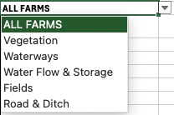
INDEX | INDEX | Specific Landowner/Compliance Concerns | ALL FARMS
Questions | Region | Streamside vegetation
What are the Ag WQ Rules? | All | Area Rules
 | Western OR
Where can I get assistance with Ag WQ? | Eastern OR | SWCD Directory: https://www.oregon.gov/oda/Documents/Publications/NaturalResources/SWCDDirectory.pdf
 | Map of Oregon
How do I protect Water Quality? | Willamette Valley | Specific Landowner/Compliance Concerns
 |  | Streamside vegetation


 |  | Cropland Erosion/Sediment Control
 |  |  | CROP MANAGEMENT
 |  | Livestock Management

 |  | Manure/Waste Management

 |  | Irrigation
 |  |  | Tillage
 |  | Fertilizers (Nutrients) | Tillage | C6 - Residue and Tillage Management (PICTURE) | Sediment, TSS, nutrients, pollutants bound to sediment, bacteria. | Reduces soil erosion and soil compaction, increases soil water infiltration and holding capacity. Binds pollutants. May reduce weed pressure. | Costs: (Potential) May require specialized equipment Benefits: (Potential) Reduces soil erosion and compaction, increases soil water infiltration and holding capacity. Binds pollutants. Reduced weed pressure. | Main Highlighted USDA 5 Northwest No-Till Farming for Climate Resilience: https://www.climatehubs.usda.gov/hubs/northwest/topic/northwest-no-till-farming-climate-resilience OSU Ext 15 Tillage and Cultivation: https://agsci.oregonstate.edu/mes/sustainable-onion-production/tillage-and-cultivation OSU Ext 14 - Western - Using strip tillage in vegetable production systems in Western Oregon NRCS Management Practices NRCS 345 Residue and Tillage Management, Reduced Till: https://www.nrcs.usda.gov/sites/default/files/2022-09/Residue_And_Tillage_Management_Reduced_Till_345_PS_Sept_2016.pdf NRCS 329 No Till: https://www.nrcs.usda.gov/sites/default/files/2022-09/Residue_And_Tillage_Management_No_Till_329_CPS_0.pdf

What are area WQ Concerns?
What are TMDLs in my area?
 |  | TMDL
 |  | What are the recommended practices for the Willamette Mercury TMDL?
 |  | What are the recommended practices for the Upper Yaquina TMDL?
 |  | What are the recommended practices for the Powder Basin TMDL?

 |  | WQ Parameters of Concern |  | C7 - Contour farming and tillage (PICTURE) | Sediment, TSS, pollutants bound to sediment (e.g., mercury, phosphorus), nutrient uptake (nitrogen, phosphorus, etc.), bacteria, algae growth (chlorophyll a) downstream from nutrients | Reduces soil erosion and soil compaction, increases soil water infiltration. May increase nutrient uptake, filter pollutants and bacteria. |  | Main Highlighted Western SARE 4 Contour Farming: https://western.sare.org/sare-category/crop-production/conservation-tillage/contour-farming/ NRCS Management Practices NRCS 330 Contour farming: https://www.nrcs.usda.gov/sites/default/files/2022-09/Contour_Farming_330_CPS_Oct_2017.pdf NRCS 331 Contour orchard and other perennial crops: https://www.nrcs.usda.gov/sites/default/files/2022-09/Contour_Orchard_and_Other_Perennial_Crops_331_CPS.pdf NRCS 600 Terrace farming: https://www.nrcs.usda.gov/sites/default/files/2022-09/Contour_Orchard_and_Other_Perennial_Crops_331_CPS.pdf
 |  | Any
 |  | Sediment
 |  | Nutrient
 |  | Nitrate
 |  | Mercury
 |  | Phosphorous
 |  | E.coli
 |  | Stream Temperature
 |  | Algae
 |  | Dissolved Oxygen
 |  |  |  | C5 - Conversion of Cropland to Perennial Grass-based agriculture (PICTURE) | Sediment, TSS, pollutants bound to sediment (e.g., mercury, phosphorus), nutrient uptake (nitrogen, phosphorus, etc.), bacteria, algae growth (chlorophyll a) downstream from nutrients | Increase nutrient plant uptake, filter pollutants from runoff, prevent surface erosion, increase infiltration, reduce soil compaction, and sequester carbon to improve soil moisture holding capacity and reduce carbon gas emission. |  | Main Highlighted OSU Ext 17 Hay Production Resources for small farms: https://extension.oregonstate.edu/collection/hay-production-resources-small-farms OSU Ext 16 Hay Production: https://smallfarms.oregonstate.edu/smallfarms/hay-production NRCS Management Practices NRCS 512 Pasture and hay planting: https://www.nrcs.usda.gov/sites/default/files/2022-09/Pasture_and_Hay_Planting_512_NHCP_CPS_2020.pdf

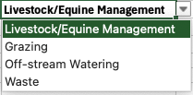
 |  |  | Livestock/Equine Management

